Sheet1
CODE | Colour 1 | Colour 2 | PALLETS | Gender | 30 | 31 | 32 | 33 | 34 | 35 | 36 | 37 | 38 | 39 | 40 | 41 | 42 | 43 | 44 | 45 | 46 | TOTAL
H20086 | BLACK | WHITE | 3 | Wmns |  |  |  |  |  | 863 |  |  |  |  |  |  |  |  |  |  |  | 863 | 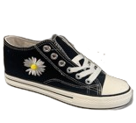
H19608 | MUSTARD |  | 2 | Wmns |  |  |  |  | 270 | 55 | 25 | 55 |  | 25 |  |  |  |  |  |  |  | 430 | 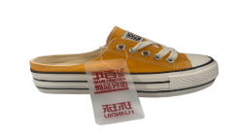 360
H19608 | BLACK | WHITE | 2 | Wmns |  |  |  |  | 97 | 156 | 148 | 11 |  | 18 |  |  |  |  |  |  |  | 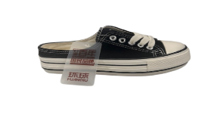 430 | 360
H19608 | WHITE | RED | 2 | Wmns |  |  |  |  | 110 | 134 | 8 | 25 | 55 | 196 | 20 |  |  |  |  |  |  | 548 | 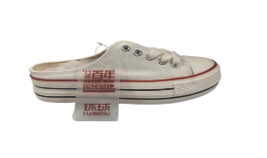 360
H19607 | WHITE | RED | 1 | Wmns |  |  |  |  |  | 28 | 120 | 145 |  | 23 | 9 |  |  |  |  |  |  | 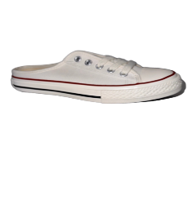 325 | 360 | 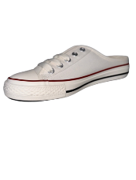
H6537 | WHITE | BLACK | 2 | Wmns |  |  |  |  |  |  | 37 | 90 | 4 | 7 |  |  |  |  |  |  |  | 138 | 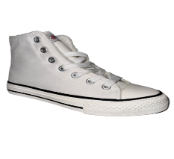 360
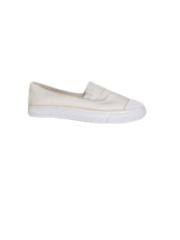
X222 | Check |  |  | Wmns |  |  |  |  |  | 62 | 137 | 157 | 181 | 94 | 23 |  |  |  |  |  |  | 654 | 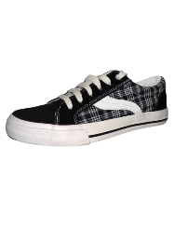
B778 | White |  | 3 | Wmns |  |  |  |  |  | 78 | 116 | 113 | 107 | 90 | 3 |  |  |  |  |  |  | 507 |  | 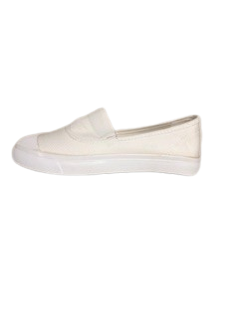
N9120 | WHITE | BLACK | 11 | men |  |  |  |  |  | 464 | 695 | 816 | 748 | 574 | 89 |  |  |  |  |  |  | 3386 | 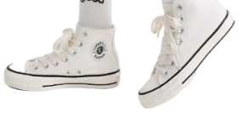 | 360
H9120 | WHITE | RED | 8 | men |  |  |  |  |  | 63 | 475 | 643 | 597 | 277 | 99 |  |  |  |  |  |  | 2154 | 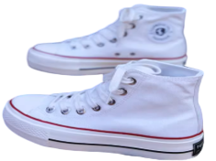
N7053 | BLACK | WHITE | 3 | womens |  |  |  |  |  | 167 | 109 | 80 | 43 | 203 | 4 |  |  |  |  |  |  | 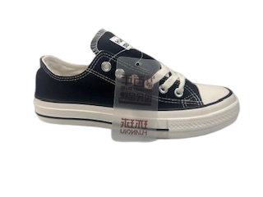 606 |  | 360
N7053 | WHITE | RED | 1 | womens |  |  |  |  |  | 1 | 7 | 32 | 46 | 69 | 1 |  |  |  |  |  |  | 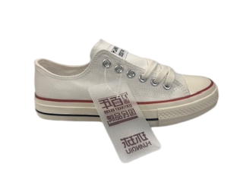 156 |  | 360
N7053 | WHITE | BLACK | 4 | womens |  |  |  |  |  | 65 | 755 | 1 | 472 | 226 | 291 |  |  |  |  |  |  | 1810 | 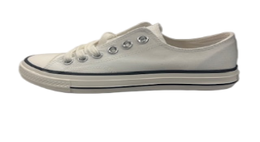
N7066 | WHITE | BLACK | 2 | men |  |  |  |  |  |  |  |  |  | 4 | 95 | 142 | 188 | 159 | 77 |  |  | 665 | 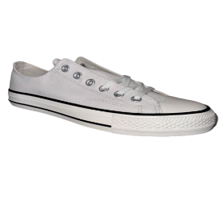 | 360
H18209 | WHITE |  | 3 | Wmns |  |  |  |  |  |  | 183 | 135 | 221 | 391 | 6 |  |  |  |  |  |  | 936 | 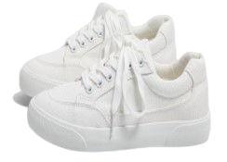
H7066 | WHITE | RED | 3 | men |  |  |  |  |  |  |  |  |  | 150 | 170 | 18 | 290 | 149 |  |  |  | 777 | 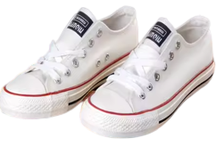
H20117 | WHITE | BLACK | 6 | Wmns |  |  |  |  |  | 424 | 193 | 456 | 422 | 10 |  |  |  |  |  |  |  | 1505 | 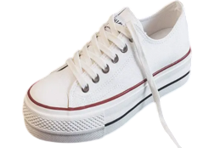 | 360
H20319 SUPERGA STYLE | BLACK | WHITE | 2 | unisex |  |  |  |  |  | 307 | 583 |  |  |  |  |  |  |  |  |  |  | 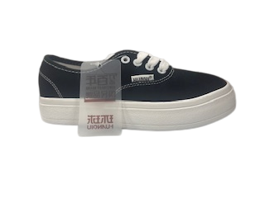 890 |  | 360
9017 | WHITE | BLACK |  | men |  |  |  |  |  |  |  |  |  | 14 | 50 | 77 | 80 | 74 | 39 |  |  | 334 | 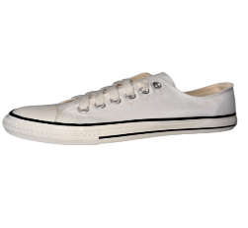
H20319 | WHITE |  | 3 | unisex |  |  |  |  |  | 170 | 330 | 203 |  |  | 146 |  |  |  |  |  |  | 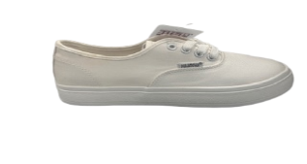 849 |  | 360
TH-2238 | WHITE | BLACK |  | Wmns |  |  |  |  |  | 108 | 239 | 390 | 285 | 222 | 125 |  |  |  |  |  |  | 1369 | 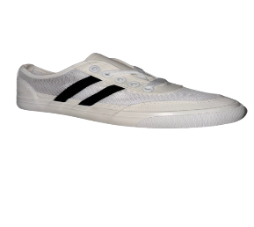
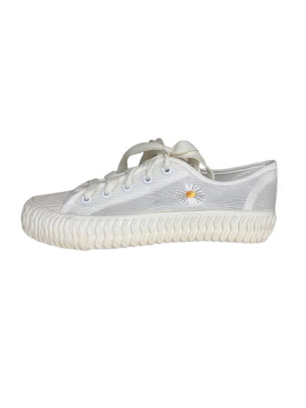
XW80 | RED |  |  | Wmns |  |  |  |  |  |  | 29 | 36 | 44 | 46 | 48 | 30 |  |  |  |  |  | 233 | 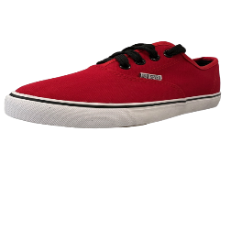
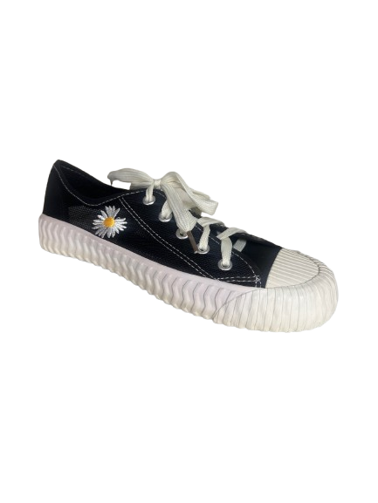
ZJ-6 | White |  |  | Wmns |  |  |  |  |  | 122 | 25 | 210 | 360 | 118 | 102 |  |  |  |  |  |  | 937
XJ-6 | Black |  |  | Wmns |  |  |  |  |  | 14 | 60 | 215 | 19 | 35 | 38 |  |  |  |  |  |  | 381
245 | Burg |  |  | Wmns | 16 | 18 | 19 | 16 | 15 | 11 |  |  | 12 | 12 |  |  |  |  |  |  |  | 119
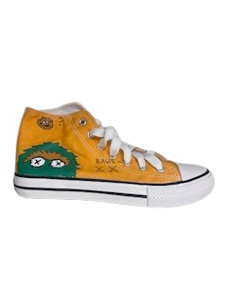
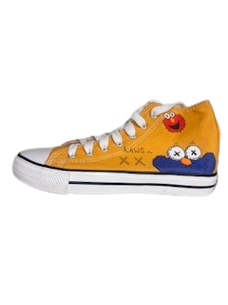
S28 | Cherry |  |  | Wmns |  |  |  |  |  | 26 |  | 1 | 6 | 63 | 50 |  |  |  |  |  |  | 146 | 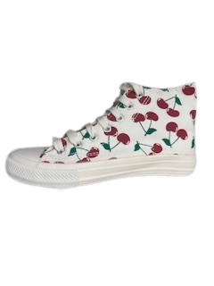
AQ-5 | Yellow |  |  | Wmns |  |  |  |  |  | 5 | 3 | 21 | 281 | 58 | 2 |  |  |  |  |  |  | 370
AQ-5 | White |  |  | Wmns |  |  |  |  |  | 5 | 1 |  | 24 | 30 |  |  |  |  |  |  |  | 60
Z144OF | Gris & Negro & Rojo |  |  | Wmns |  |  |  |  |  |  | 75 | 174 | 224 | 225 | 125 | 74 |  |  |  |  |  | 897 | 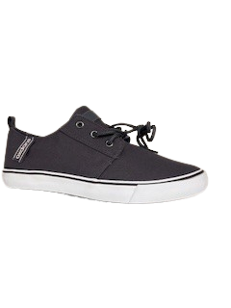 |  | 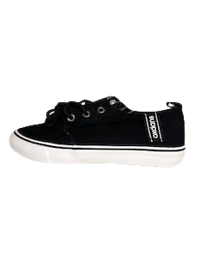 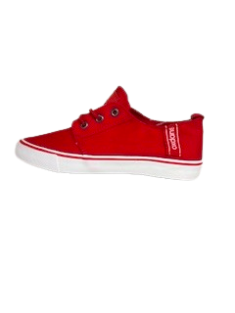 | 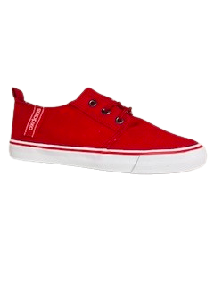 Ratio Cartons
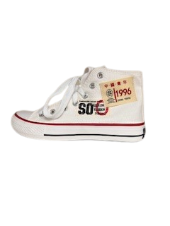
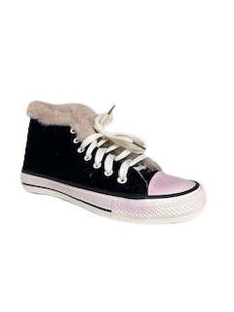
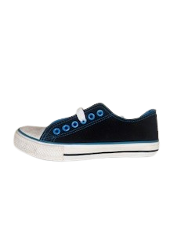
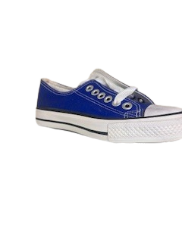
Q19 | White HI |  |  | womens |  |  |  |  |  | 113 | 39 | 7 | 20 | 40 | 58 |  |  |  |  |  |  | 277
S09 | Black |  |  | womens |  |  |  |  |  |  | 17 | 2 | 64 | 51 | 5 |  |  |  |  |  |  | 139
B02 | NAVY | LT BLUE |  |  |  |  |  |  |  | 5 | 11 | 24 | 26 | 15 | 1 |  |  |  |  |  |  | 82
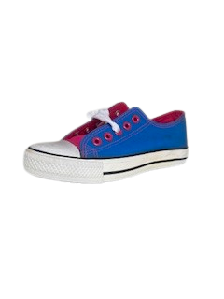
B02 | PURPLE | WHITE |  |  |  |  |  |  |  | 17 | 13 | 7 | 26 | 33 | 4 |  |  |  |  |  |  | 100
B02 | BLUE | PINK WHITE |  |  |  |  |  |  |  |  |  | 9 |  | 33 |  |  |  |  |  |  |  | 42
 |  |  |  |  |  |  |  |  |  |  |  |  |  |  |  |  |  |  |  |  | TOTAL | 23115

